Sheet1
INVICTA MAN JACKET
PHOTOS | MODEL | COLOR DESC. | RETAIL PRICE | SIZE |  |  |  |  |  | TOT
 |  |  |  | S | M | XL | 2XL | 3XL | 4XL | TOT
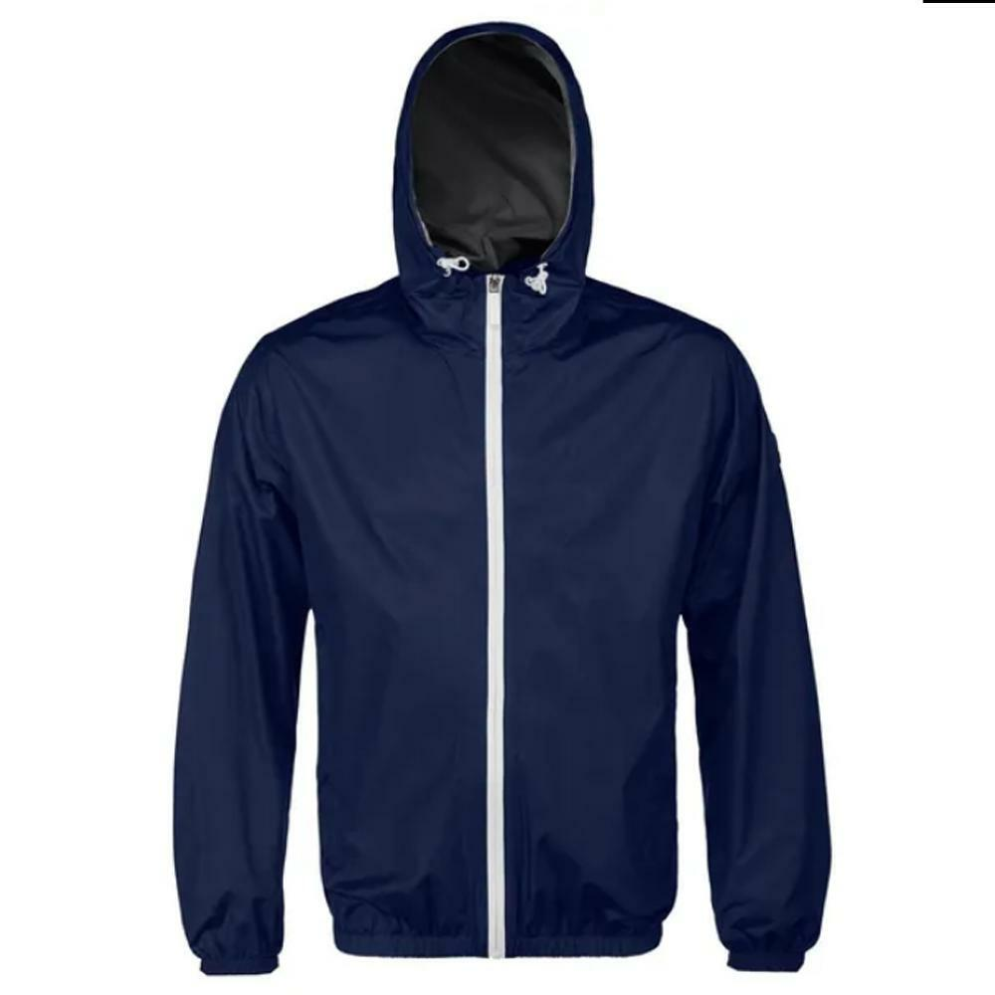 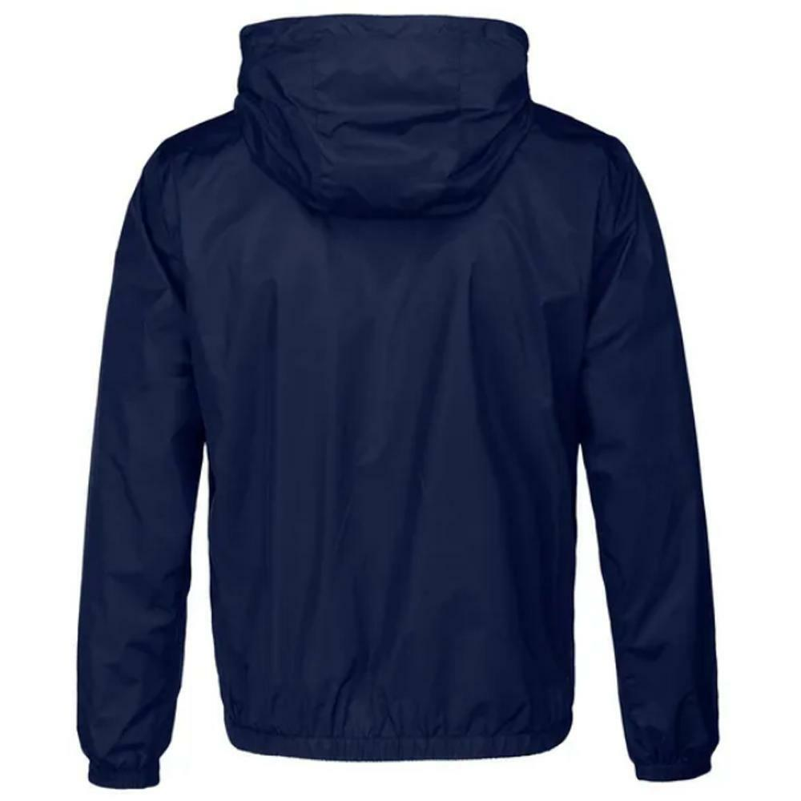 | 4431760 | BLUETTE | € 119.00 | 2 |  |  | 1 | 1 | 1 | 5
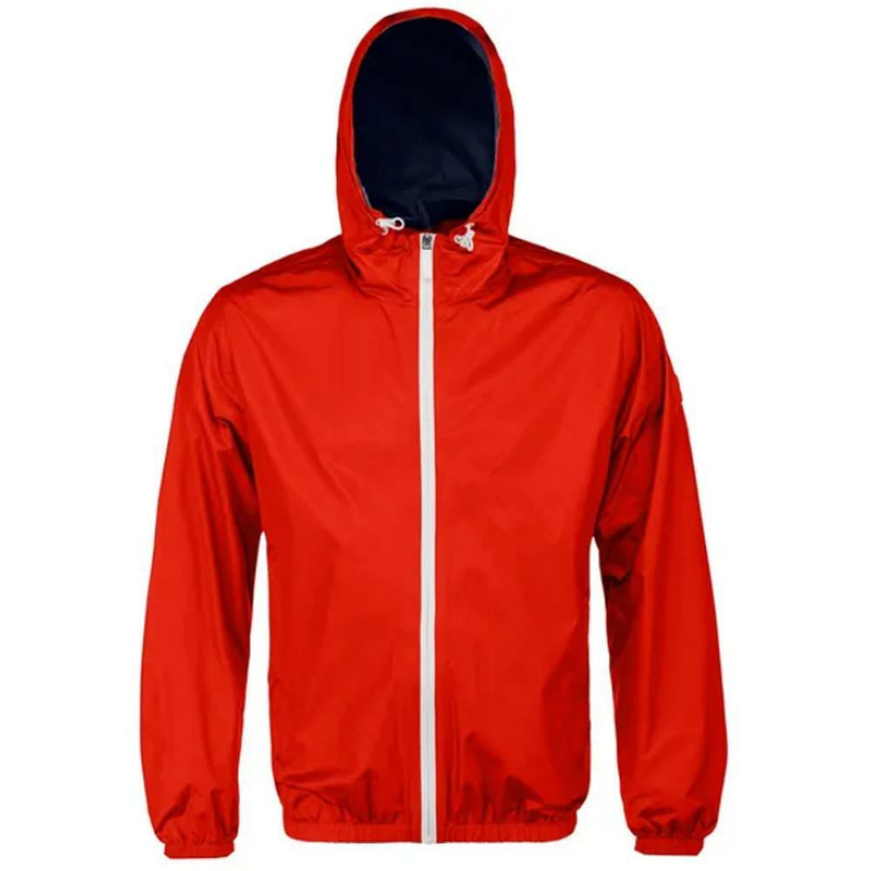 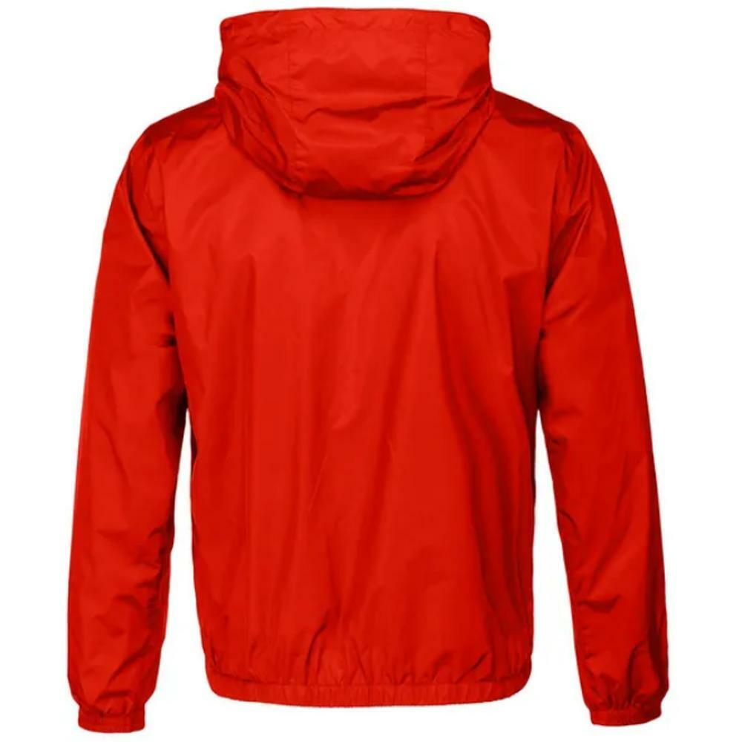 | 4431760 | RED | € 119.00 |  | 1 | 1 |  | 1 |  | 3
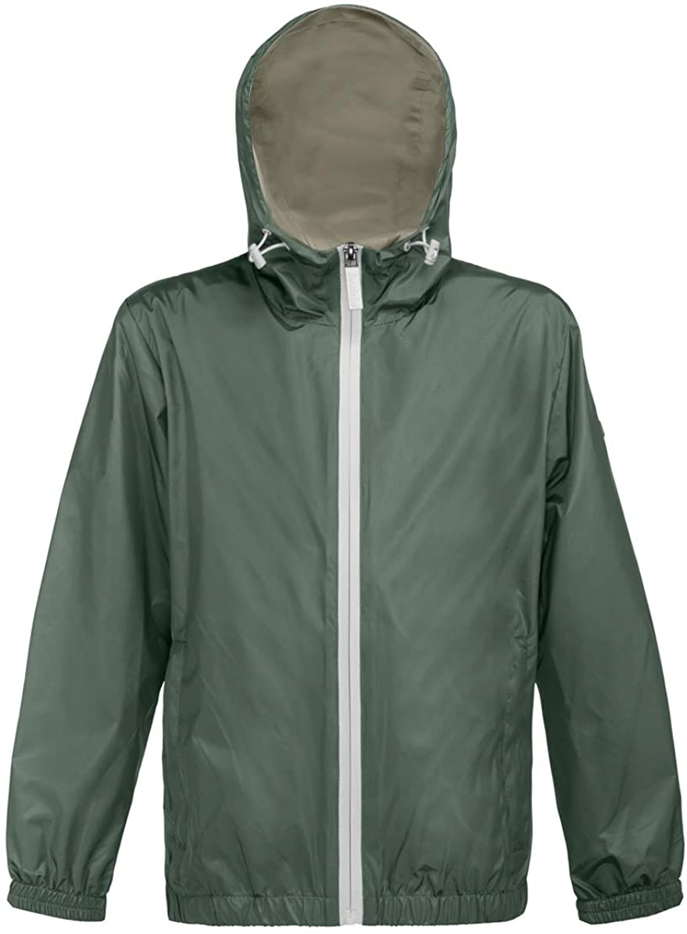 | 4431760 | VERDE MILITARE | € 119.00 | 1 | 4 | 2 | 1 |  |  | 8
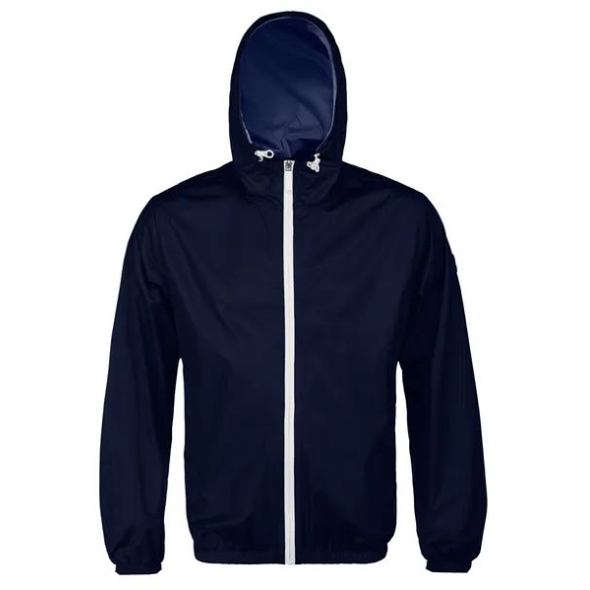 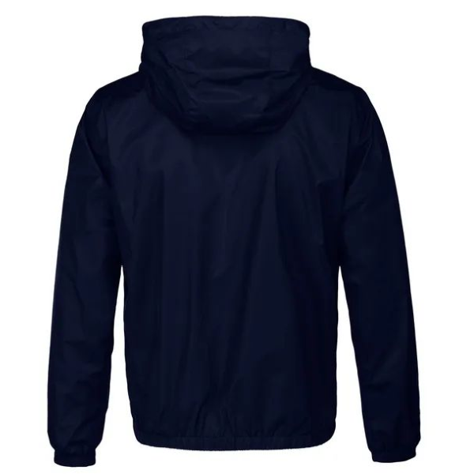 | 4431760 | NAVY | € 119.00 | 1 | 1 | 1 |  | 1 | 1 | 5
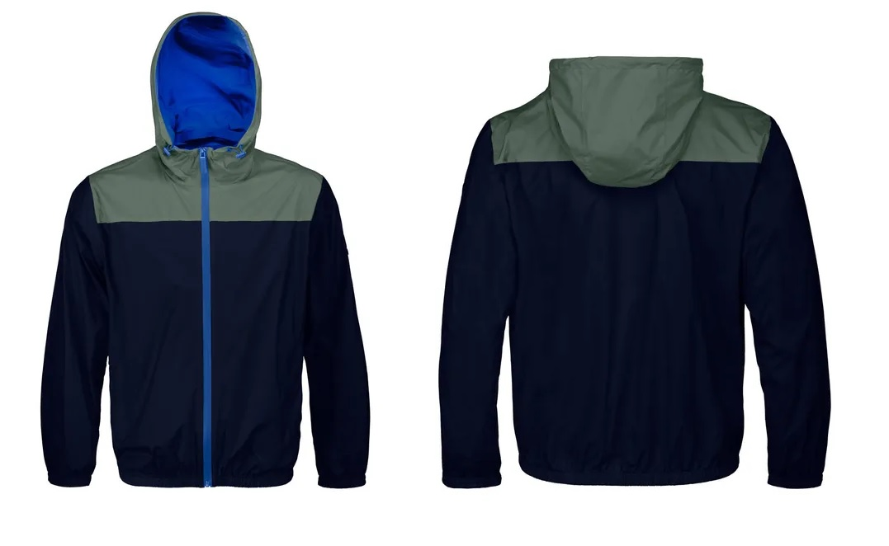 | 4431780 | NAVY/GREEN | € 119.00 |  |  | 3 |  |  |  | 3
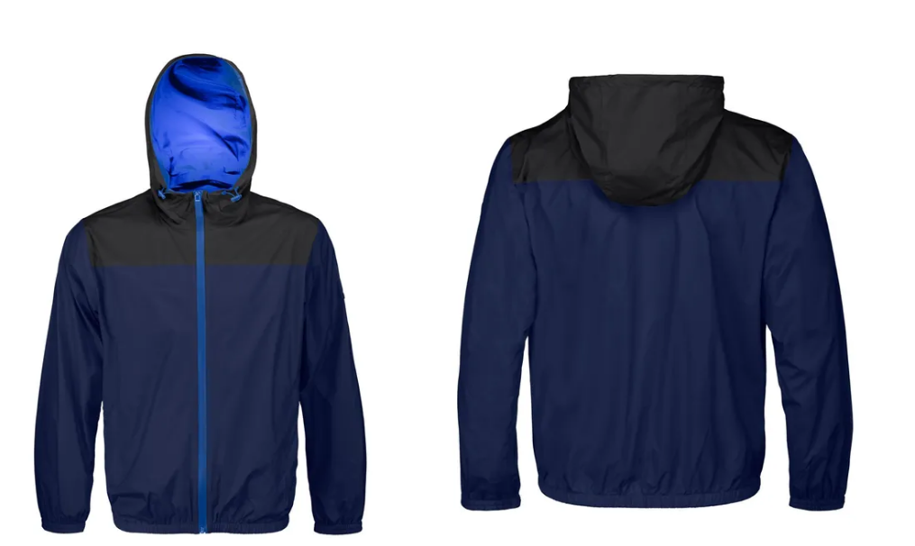 | 4431780 | NAVY/BLACK | € 119.00 |  |  | 2 | 4 | 1 | 1 | 8
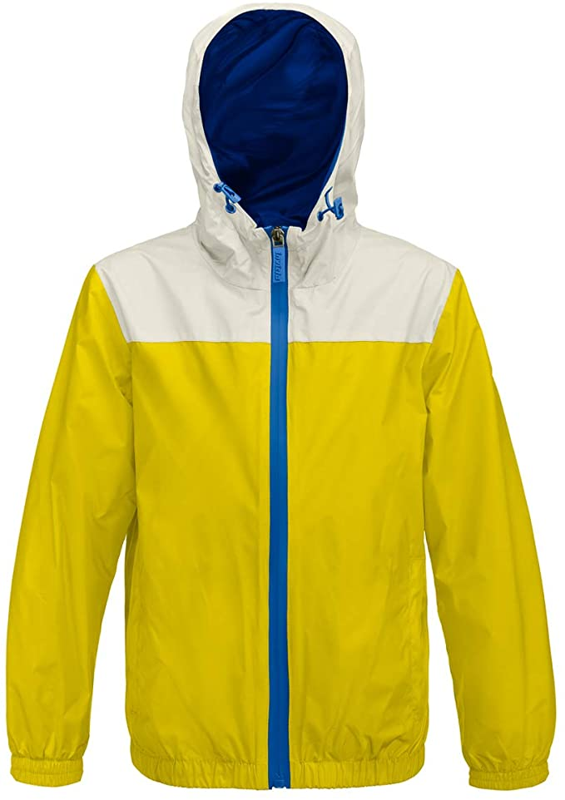 | 4431780 | YELLOW/BEIGE | € 119.00 | 1 | 1 |  |  |  |  | 2
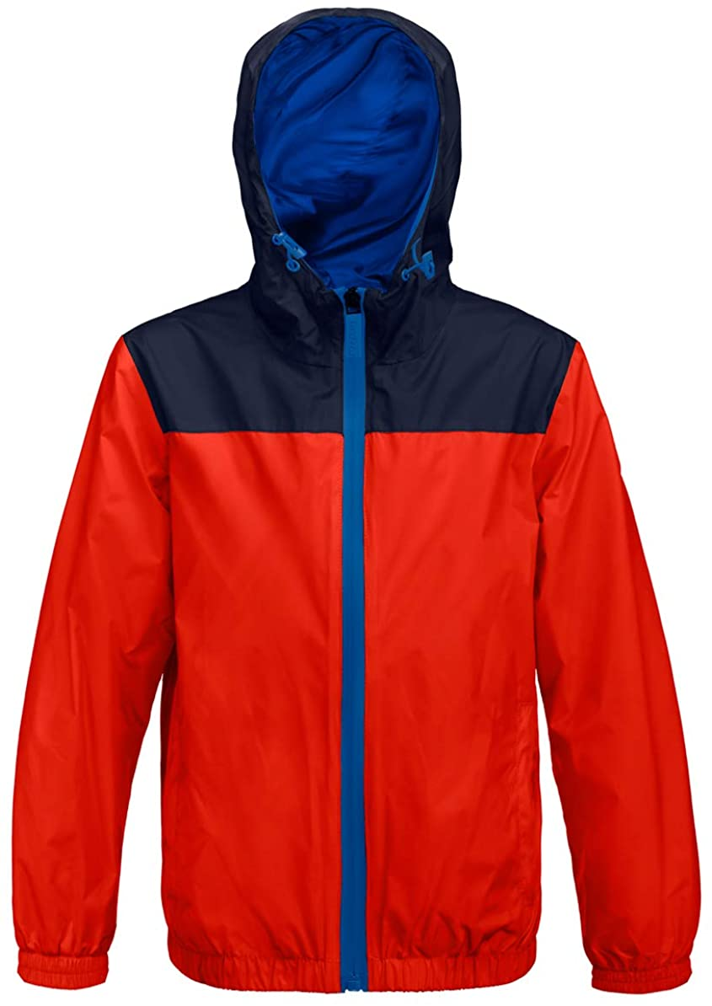 | 4431780 | RED/NAVY | € 119.00 | 2 | 2 | 2 | 1 |  | 1 | 8
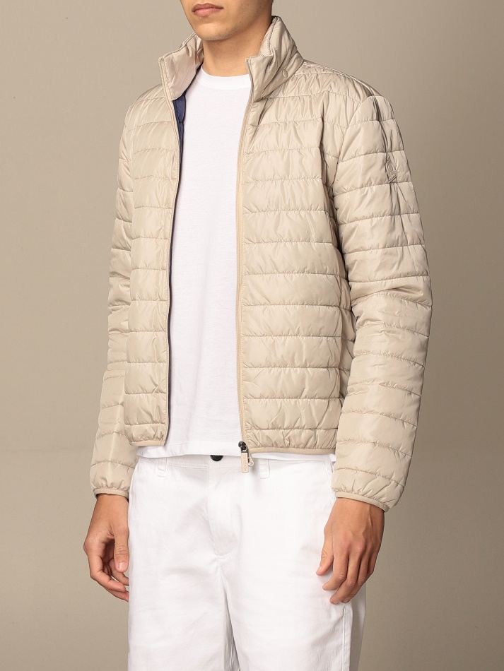 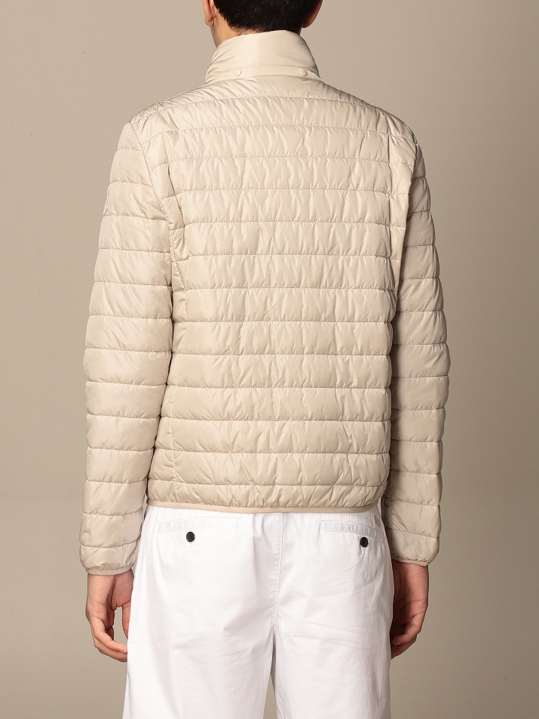 | 4431759 | BEIGE | € 147.00 |  |  | 1 | 1 | 1 | 1 | 4
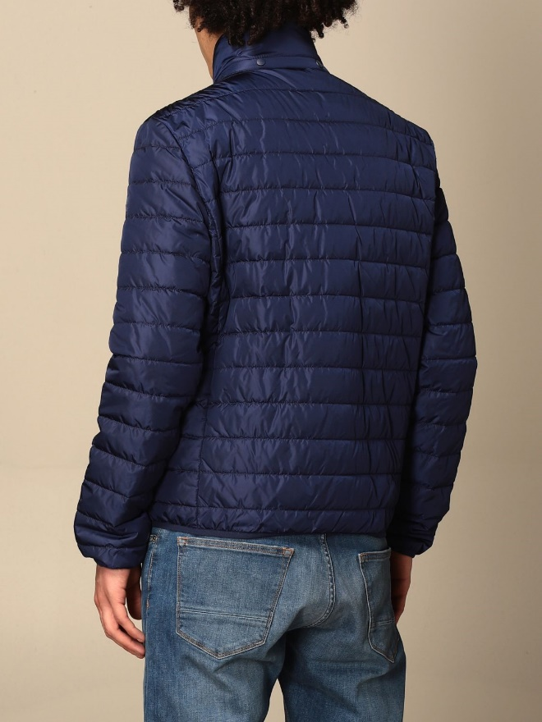 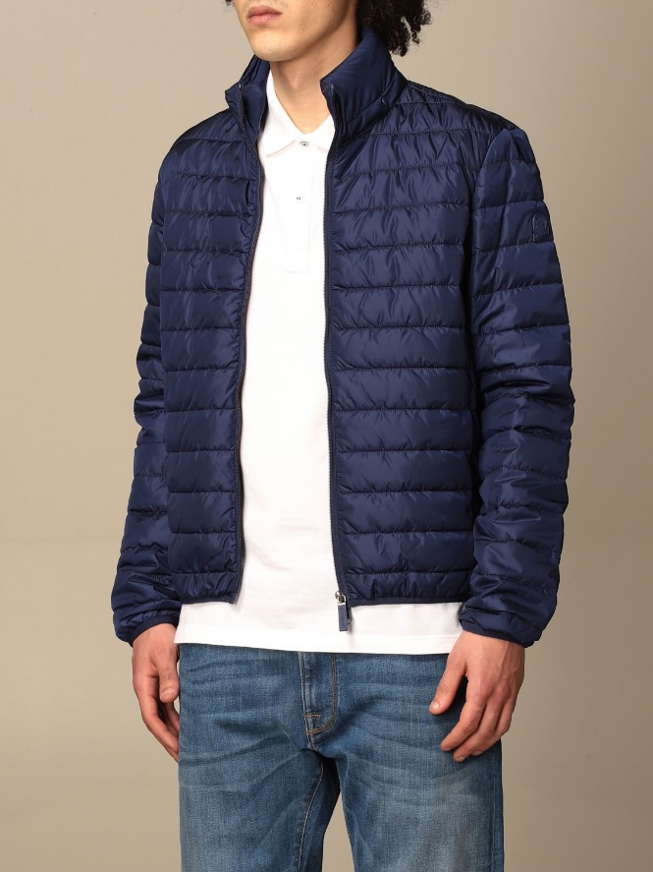 | 4431759 | BLUETTE | € 147.00 |  | 1 |  | 1 |  |  | 2
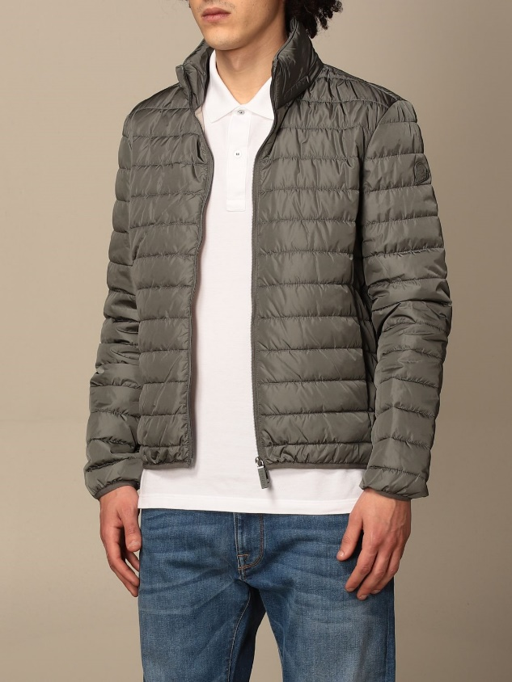 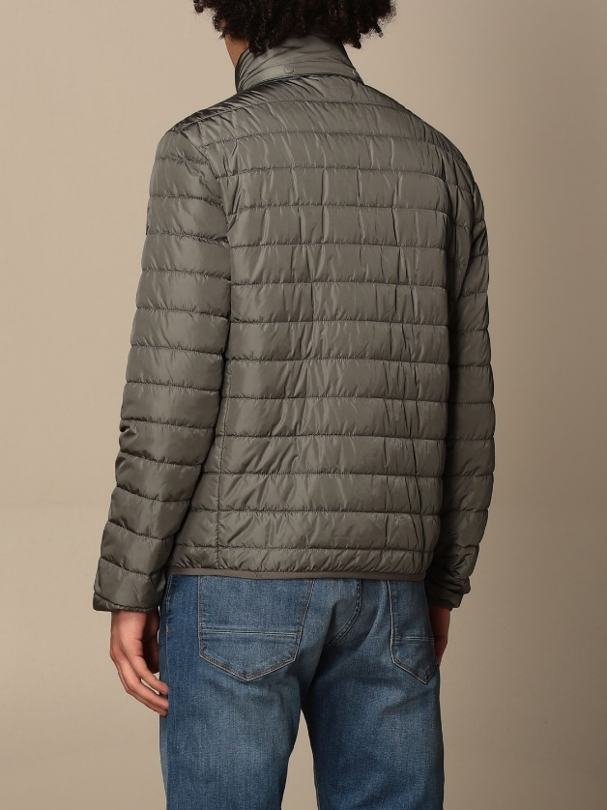 | 4431759 | MILITARY GREEN | € 147.00 |  |  | 1 | 1 | 1 | 1 | 4
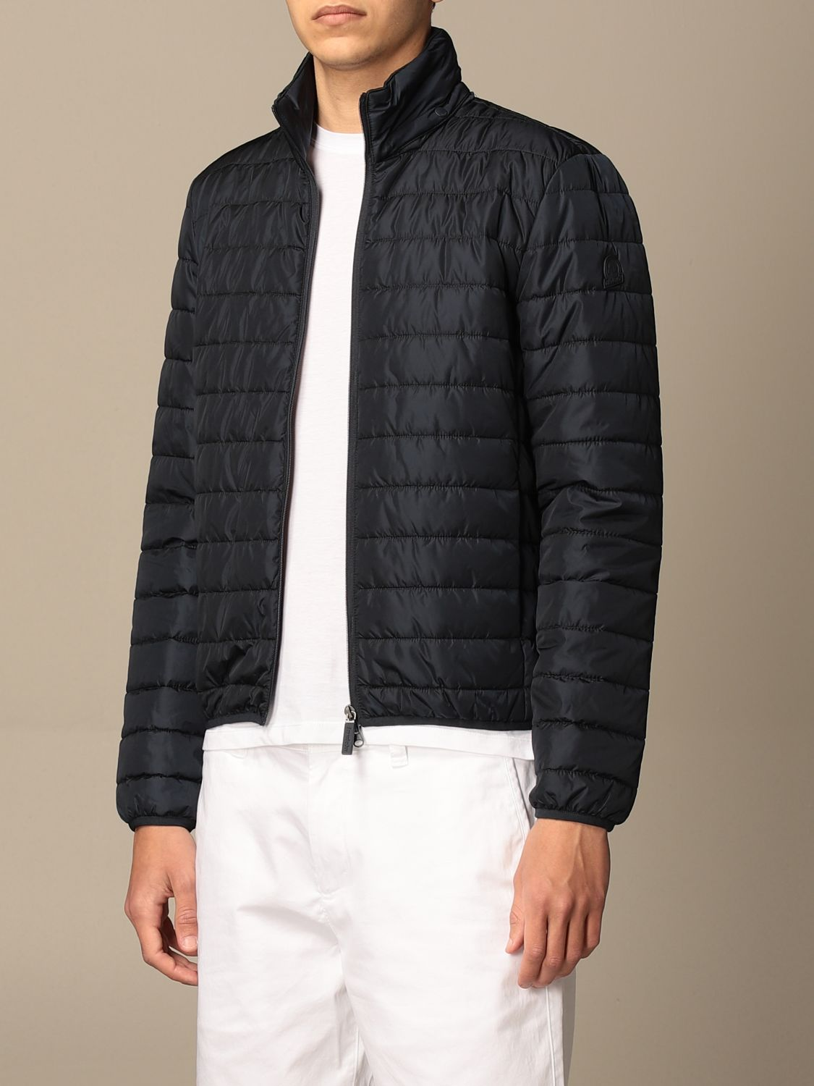 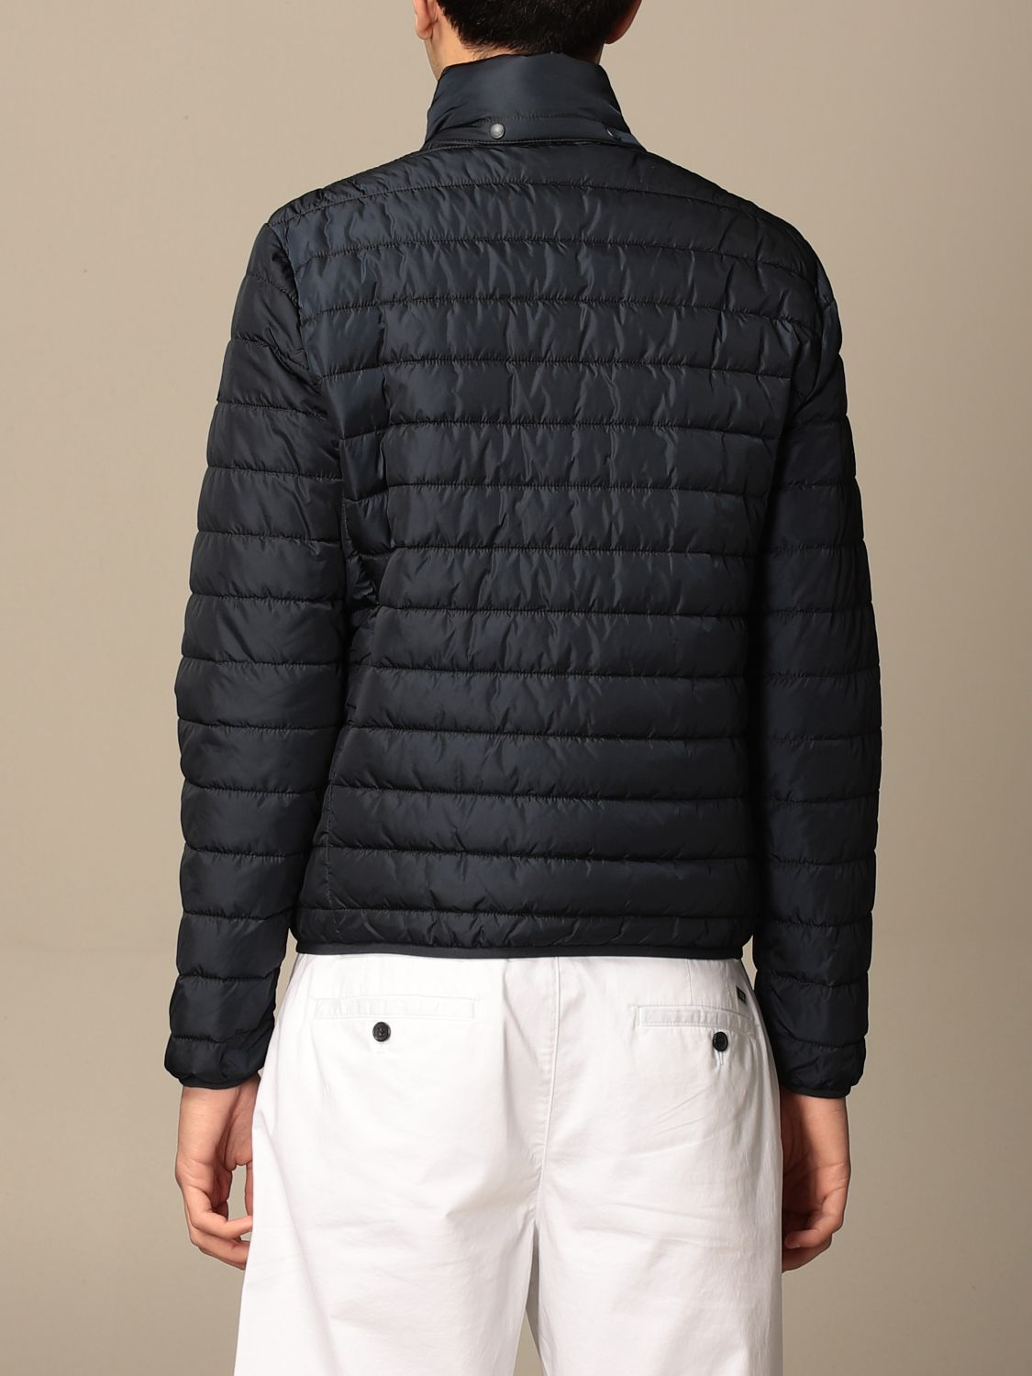 | 4431759 | NAVY | € 147.00 | 1 | 1 | 1 |  | 1 | 1 | 5
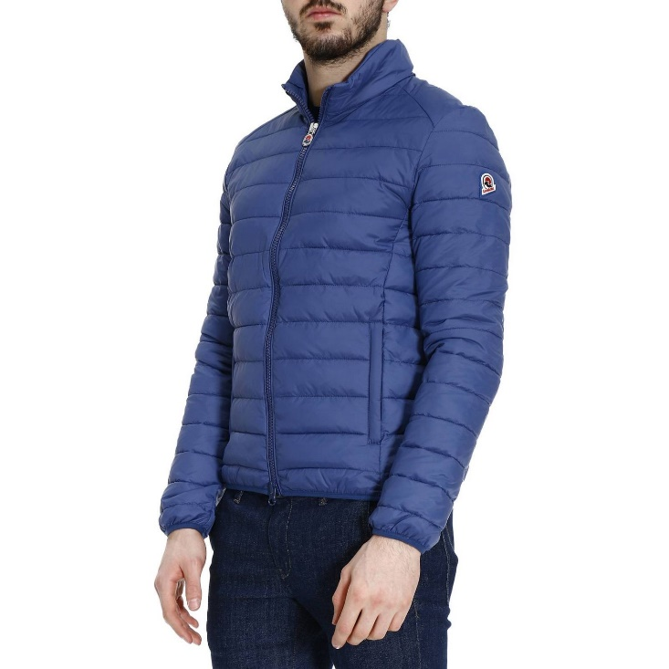 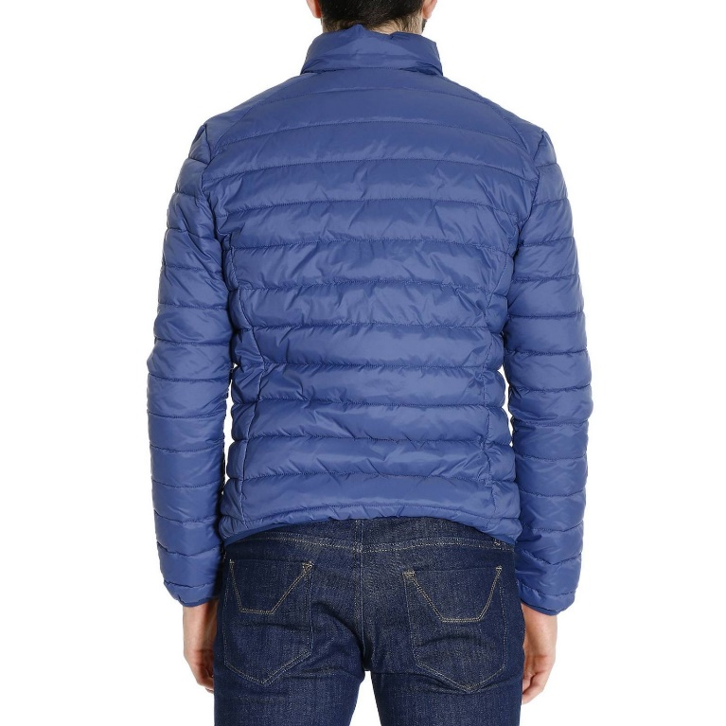 | 4431271 | BLUETTE | € 139.00 |  | 1 |  |  |  |  | 1
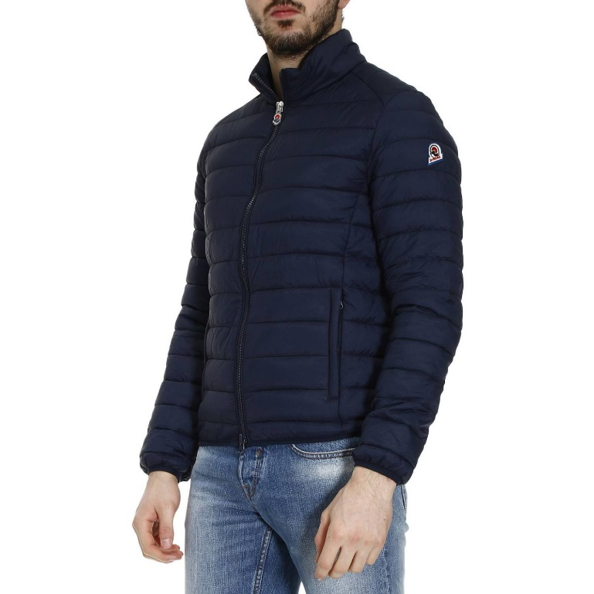 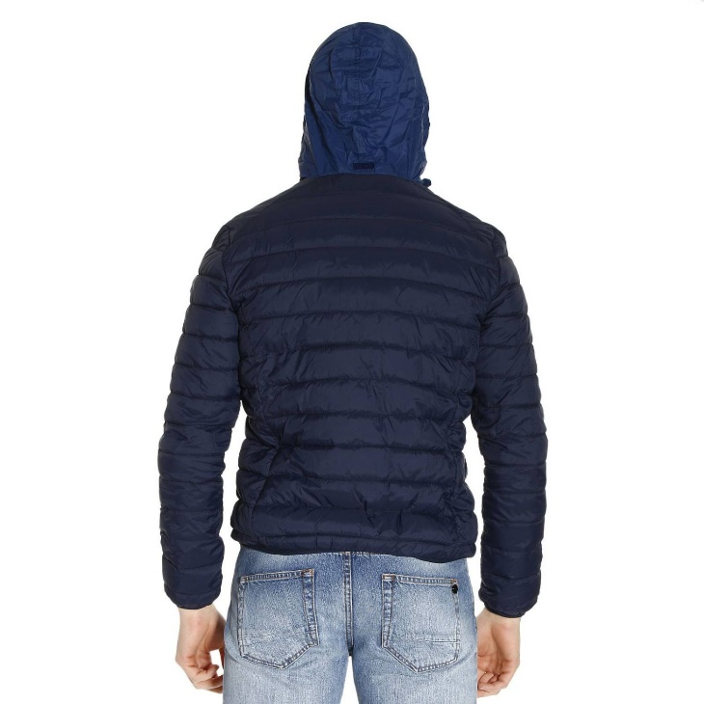 | 4431271 | NAVY | € 139.00 |  |  |  | 3 |  |  | 3
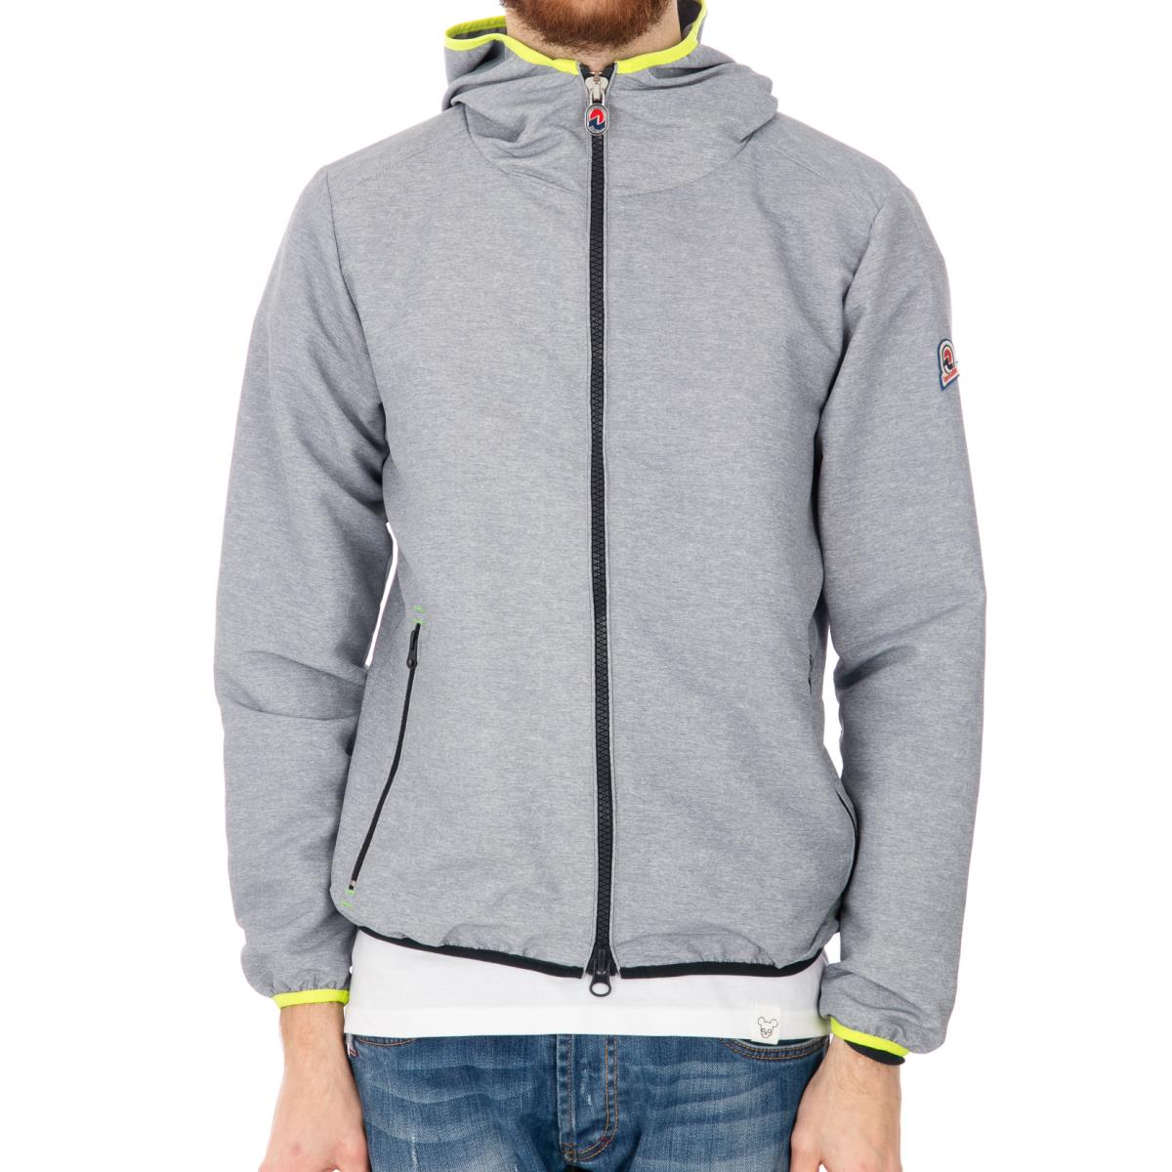 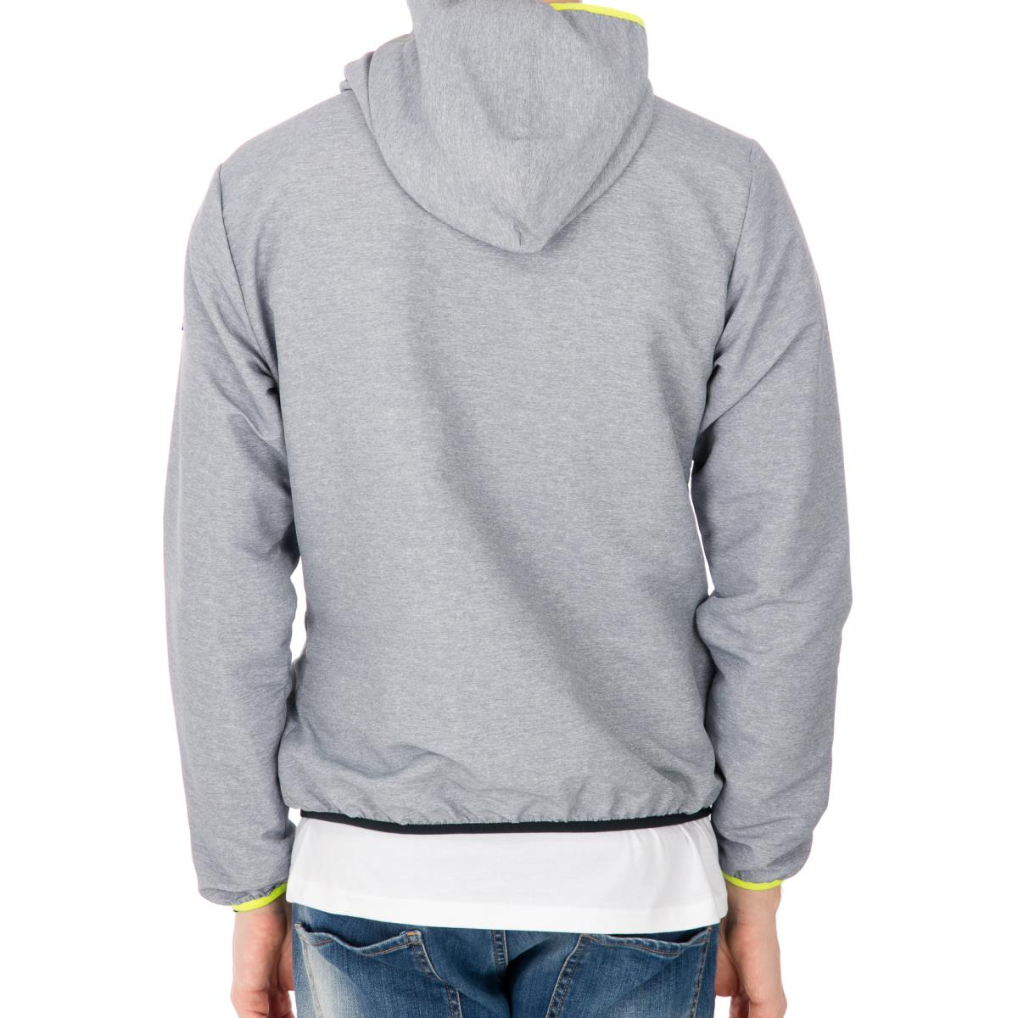 | 4431321 | GREY/FLUO | € 149.00 |  | 1 |  | 2 |  |  | 3
 | 4432211 | NAVY | € 239.00 |  | 1 |  | 2 |  |  | 3
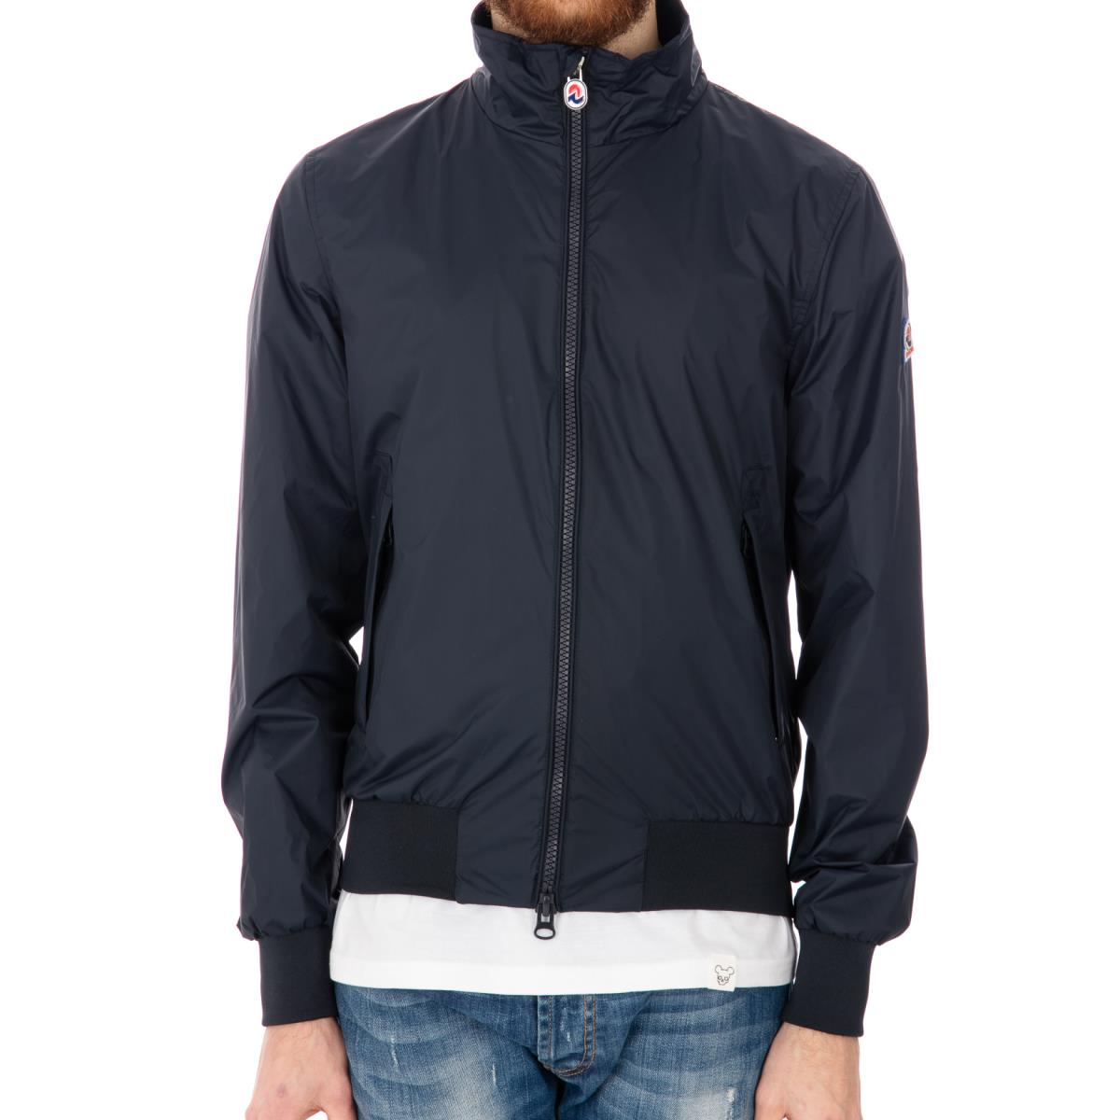 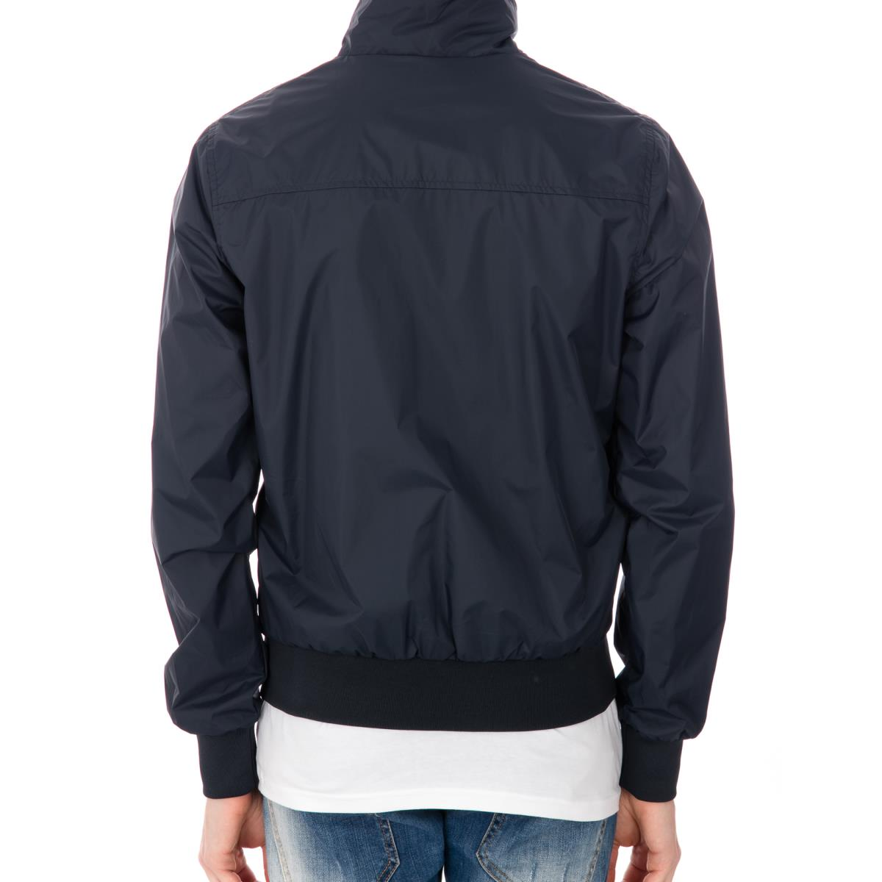 | 4431291 | NAVY | € 139.00 | 2 |  |  | 1 |  |  | 3
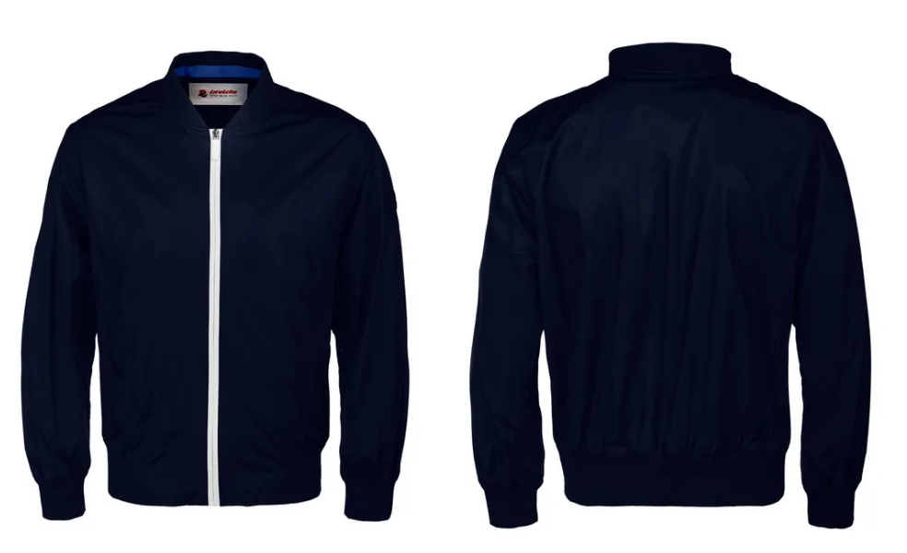 | 4431804 | NAVY | € 149.00 |  |  |  | 1 | 1 | 1 | 3
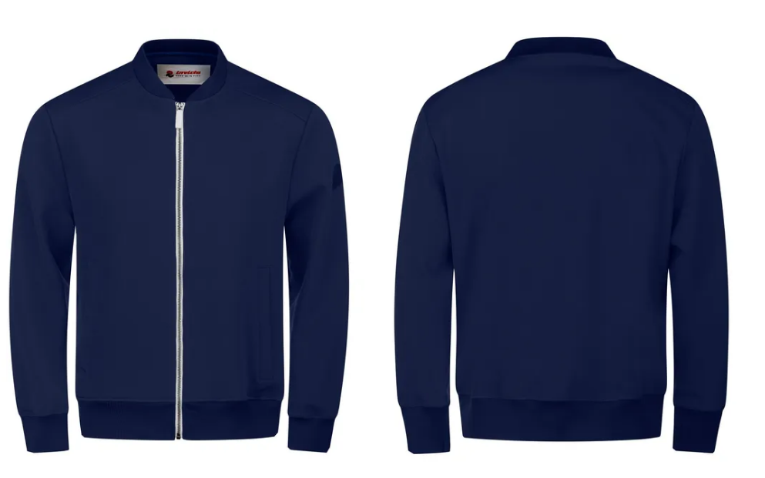 | 4454262 | NAVY | € 145.00 | 1 | 1 | 1 |  | 2 |  | 5
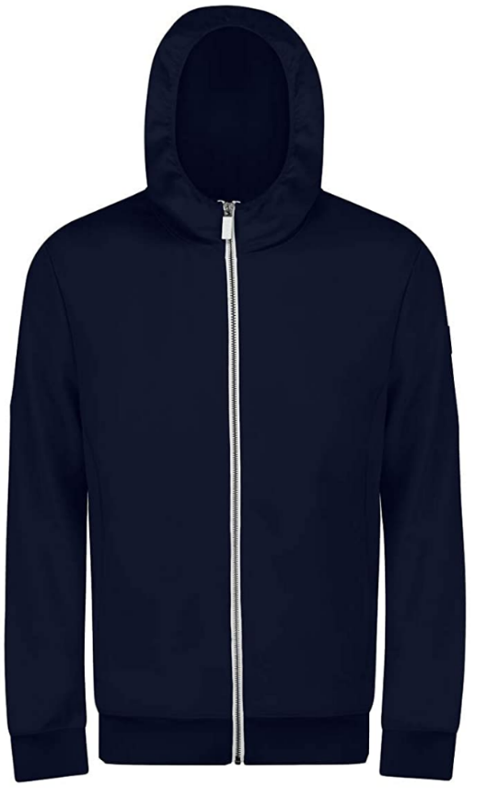 | 4454263 | NAVY | € 149.00 |  |  |  | 1 |  |  | 1
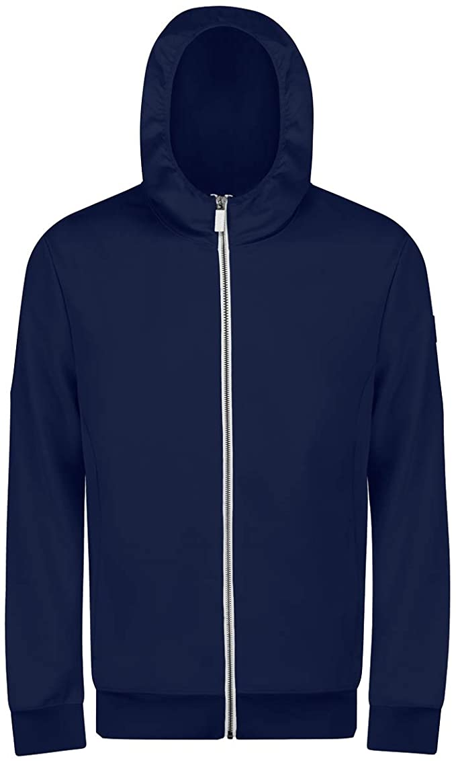 | 4454263 | BLUETTE | € 149.00 | 1 | 2 | 1 | 1 |  |  | 5
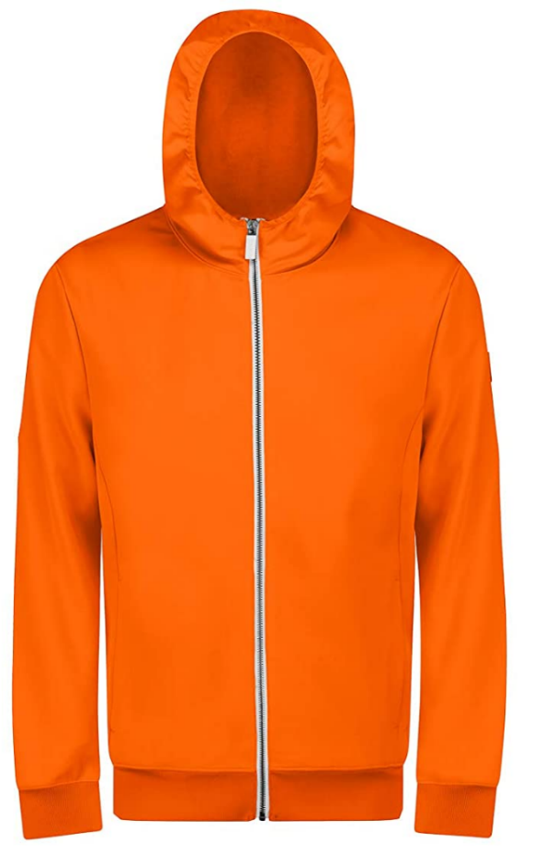 | 4454263 | ORANGE | € 149.00 | 2 | 2 | 2 | 1 |  |  | 7
 | 4454263 | WHITE | € 149.00 | 1 | 1 | 2 | 1 |  |  | 5
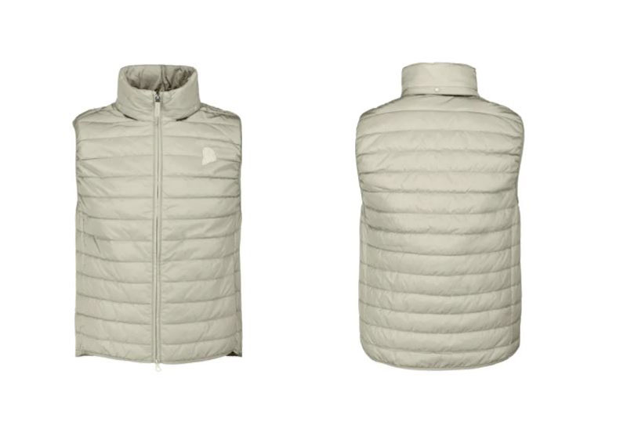 | 4437178 | BEIGE | € 119.00 | 1 | 1 | 1 |  |  |  | 3
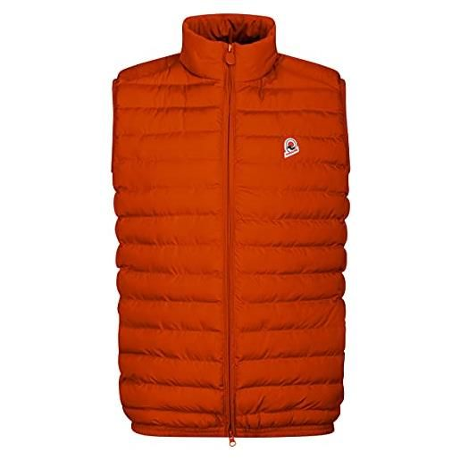 | 4437178 | ORANGE | € 119.00 |  | 1 | 1 | 1 |  |  | 3
 |  |  |  |  |  |  |  |  |  | 102
POLO MAN JACKET
PHOTOS | MODEL | COLOR DESC. | RETAIL PRICE | SIZE |  |  |  |  |  | TOT
 |  |  |  | S | M | XL | 2XL | 3XL | 4XL | TOT
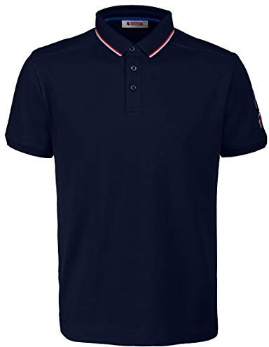 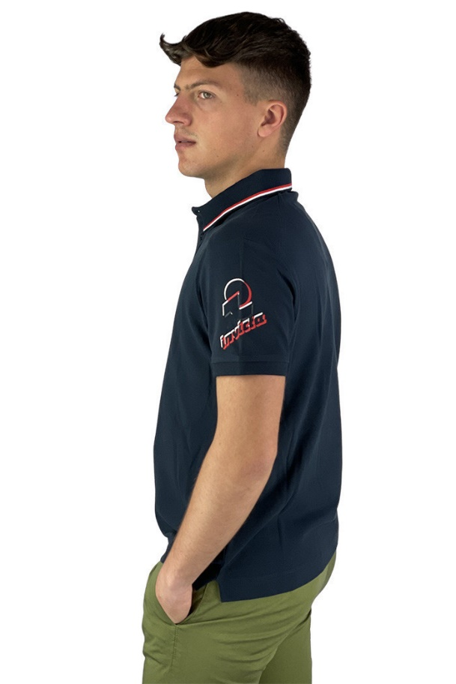 | 4452241 | NAVY | € 45.00 |  | 1 | 1 |  |  | 2 | 4
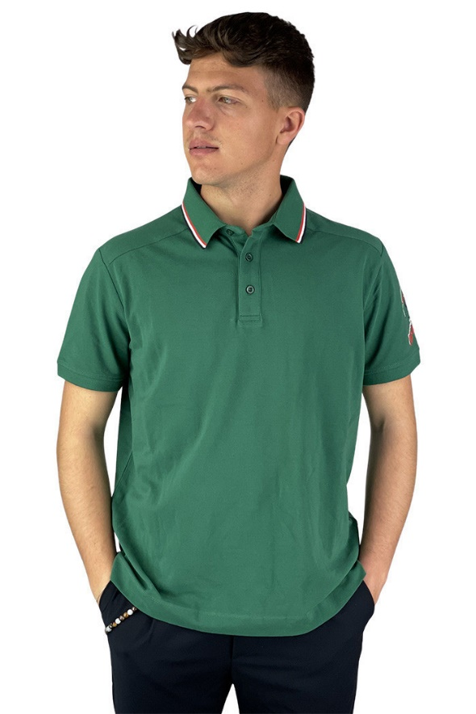 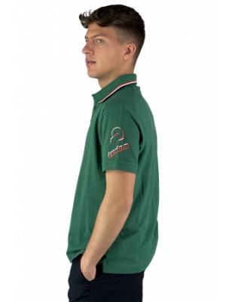 | 4452241 | GREEN | € 45.00 | 1 | 2 |  |  |  | 2 | 5
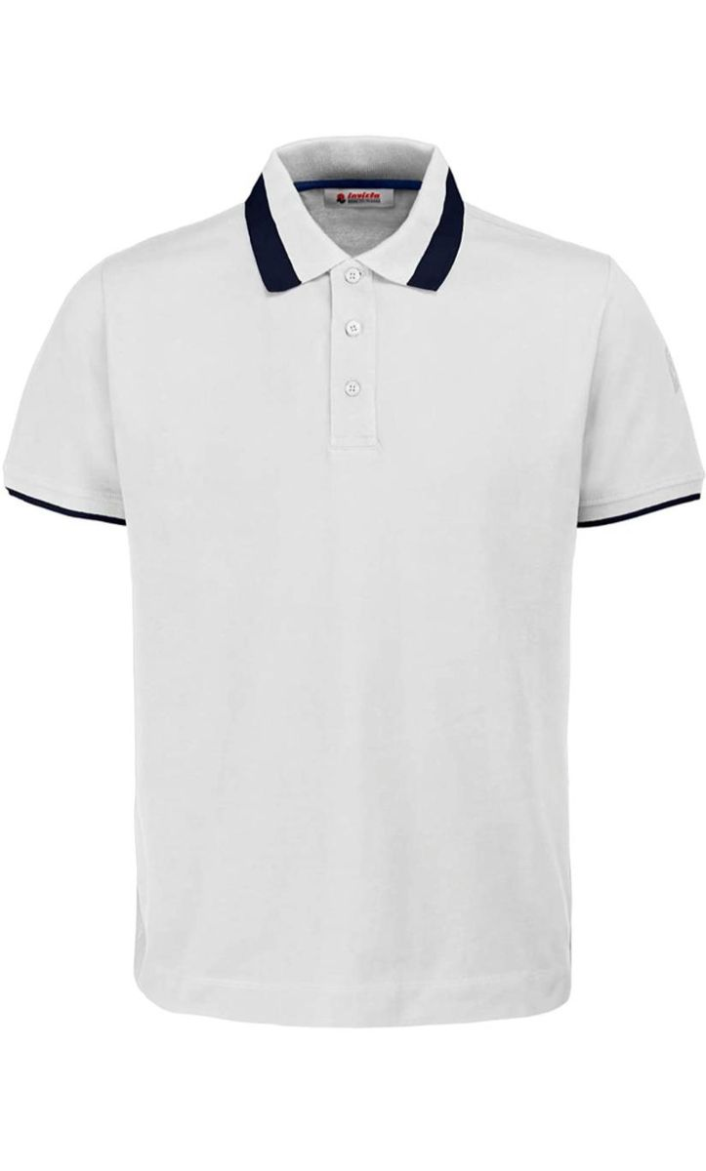 | 4452240 | WHITE | € 45.00 | 1 | 1 | 1 |  | 1 |  | 4
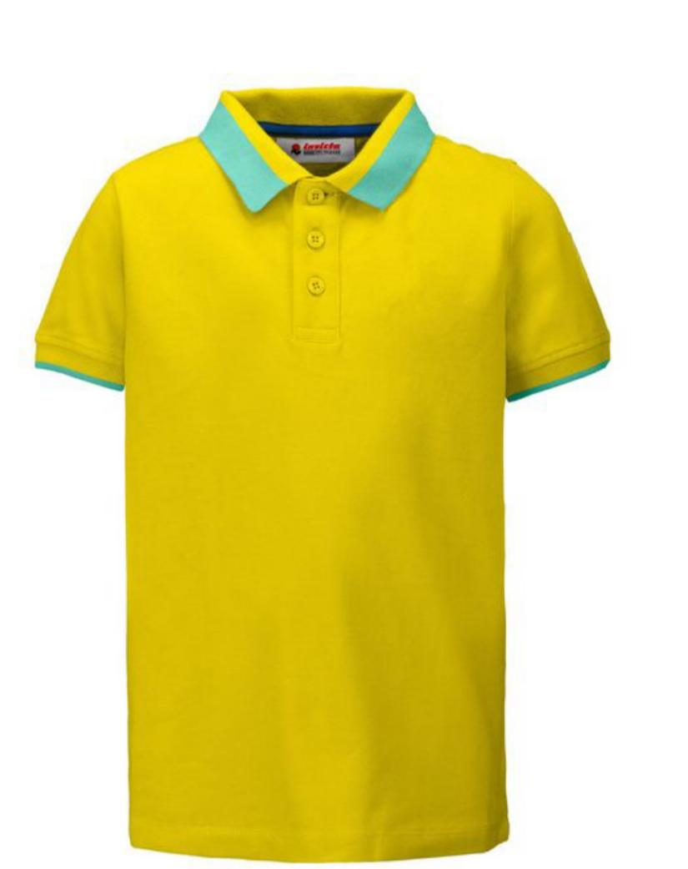 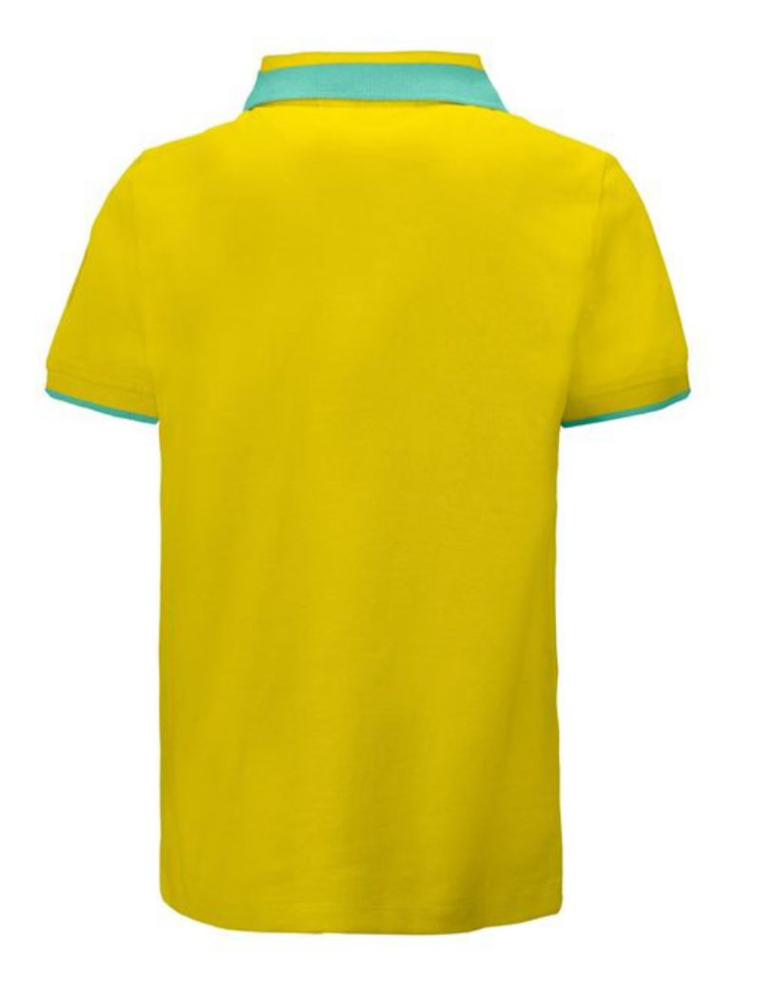 | 4452240 | YELLOW | € 45.00 |  | 1 | 1 |  |  |  | 2
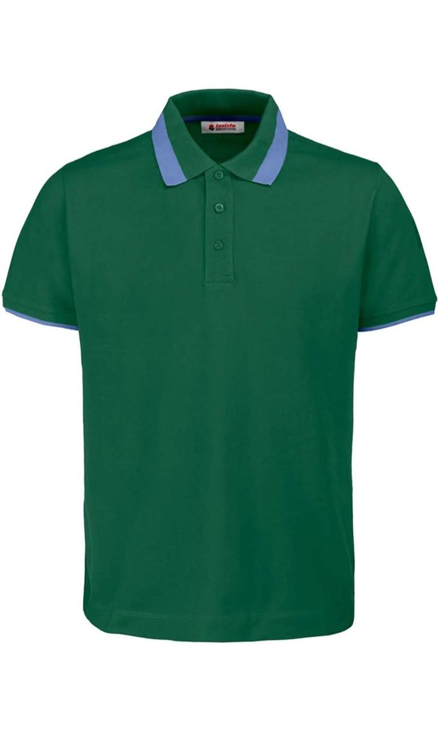 | 4452240 | GREEN | € 45.00 | 1 | 1 |  |  |  |  | 2
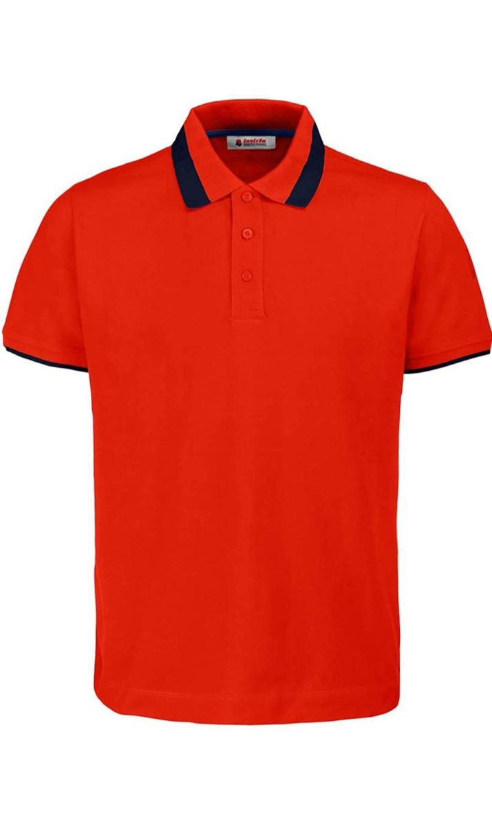 | 4452240 | RED | € 45.00 |  | 1 | 1 | 1 | 2 |  | 5
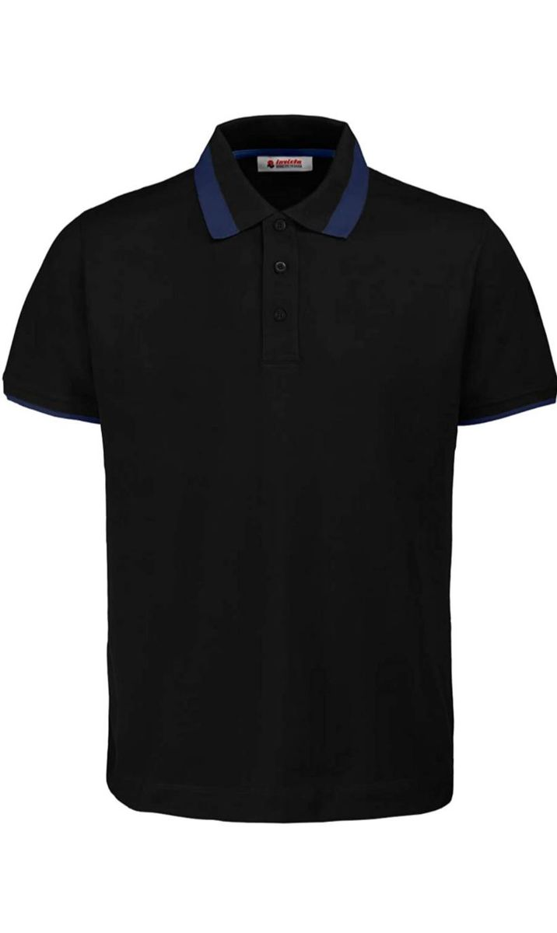 | 4452240 | BLACK | € 45.00 |  | 1 | 2 |  |  |  | 3
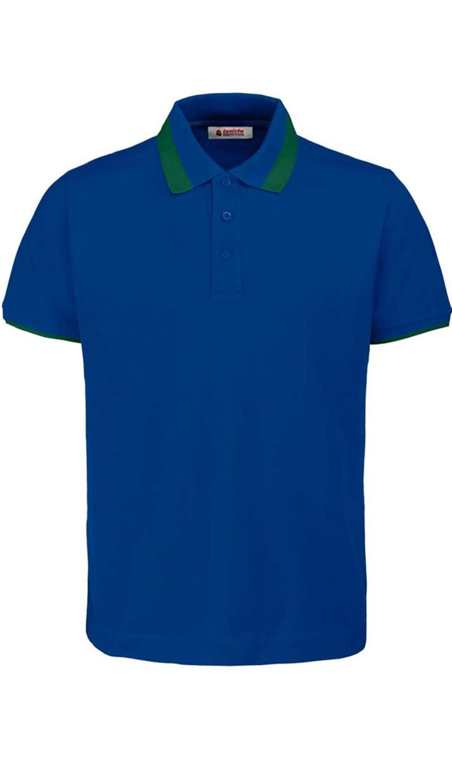 | 4452240 | ROYAL | € 45.00 |  | 1 |  | 1 |  |  | 2
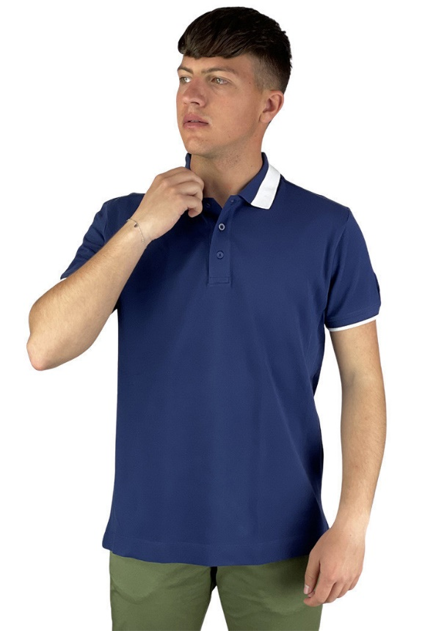 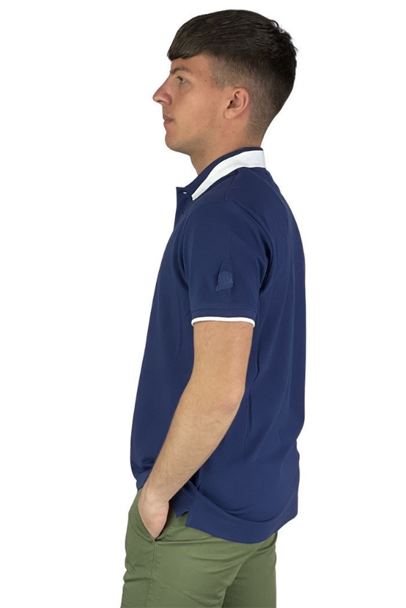 | 4452240 | NAVY/WHITE | € 45.00 | 1 |  |  |  |  |  | 1
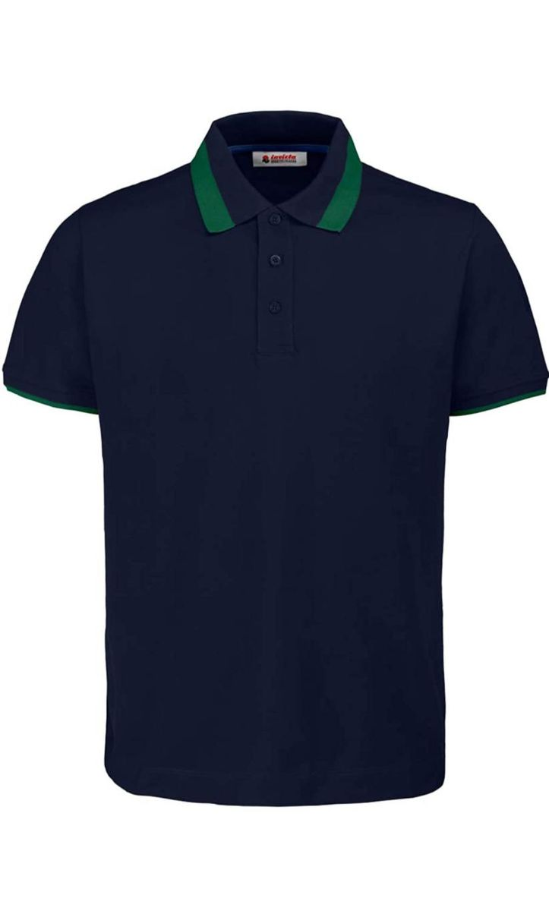 | 4452240 | NAVY/GREEN | € 45.00 |  | 1 |  | 1 | 1 | 1 | 4
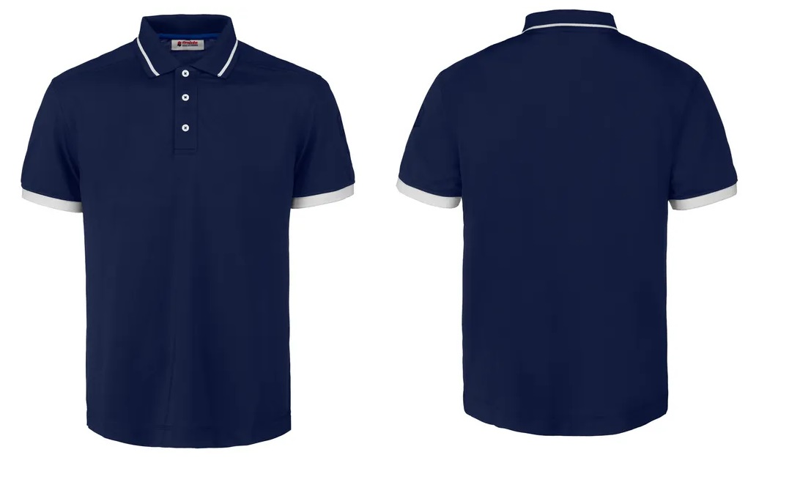 | 4452253 | NAVY | € 54.00 |  |  | 1 | 1 |  |  | 2
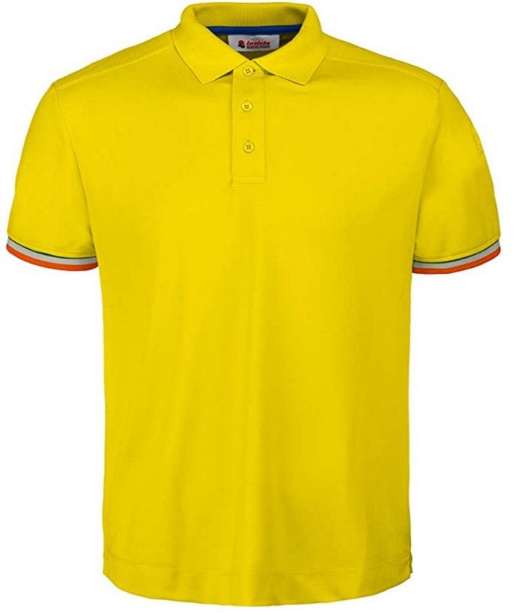 | 4452254 | YELLOW | € 54.00 |  | 1 | 2 | 1 | 1 |  | 5
 | 4452254 | NAVY | € 54.00 | 2 |  | 1 |  |  |  | 3
 | 4452254 | WHITE | € 54.00 | 1 | 2 |  |  |  |  | 3
 | 4452247 | BLU/GREY | € 68.00 | 1 | 1 | 1 | 1 | 1 |  | 5
 | 4451233 | WHITE | € 33.00 |  |  |  |  |  |  | 0
 | 4451244 | GREEN | € 25.00 |  | 2 | 1 |  |  |  | 3
 |  |  |  |  |  |  |  |  |  | 53

SWEATSHIRTS MAN
PHOTOS | MODEL | COLOR DESC. | RETAIL PRICE | SIZE |  |  |  |  |  | TOT
 |  |  |  | S | M | XL | 2XL | 3XL | 4XL | TOT
 | 4454259 | ORANGE | € 95.00 | 1 | 1 |  | 1 |  |  | 3
 | 4454259 | BLUETTE | € 95.00 | 1 |  |  | 2 |  |  | 3
 | 4454259 | NAVY | € 95.00 | 1 | 1 |  | 1 |  |  | 3
 | 4454259 | BLACK | € 95.00 | 1 |  | 1 | 1 | 1 |  | 4
 | 4454259 | GREY | € 95.00 | 1 | 1 | 1 |  |  |  | 3
 | 4454252 | GREY | € 109.00 | 1 | 1 |  | 1 |  |  | 3
 | 4454252 | GREY | € 109.00 |  |  |  |  | 1 | 1 | 2
 | 4454257 | NAVY | € 75.00 | 1 |  | 2 | 1 | 2 |  | 6
 | 4454257 | BLUETTE | € 75.00 | 1 | 1 | 1 | 1 | 1 |  | 5
 | 4454257 | BLACK | € 75.00 | 1 |  | 1 | 1 | 1 |  | 4
 |  |  |  |  |  |  |  |  |  | 36
 |  | JACKET MAN | 132 |  | TOTALE RETAIL
 |  | POLO MAN | 65
 |  | SWEATSHIRTS MAN | 43
 |  | TOTALE CAPI | 240

